Decision Tree 1
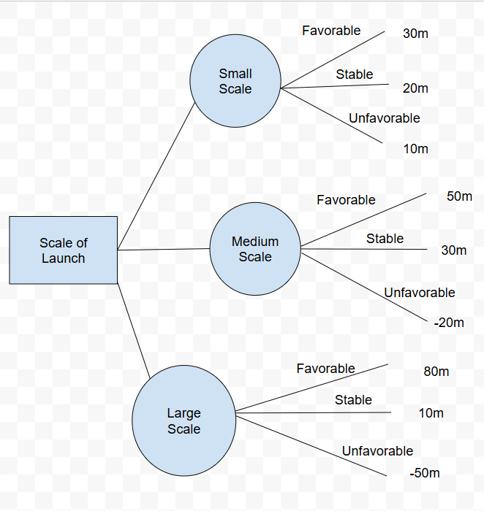

Maximax
Small Scale Max | 30
Medium Scale Max | 50
Large Scale Max | 80
We recommend choosing the large scale max, as it is the largest possible result

Maximin
Small Scale Min | 10
Medium Scale Min | -20
Large Scale Min | -50
We recommend chossing the small scale min, as it is the largest of the mininum results

Regret

 | Decision | Favorable | Stable | Unfavorable
 | Small | 50 | 10 | 0
 | Medium | 30 | 0 | 30
 | Large | 0 | 20 | 60

 | Max Regret
 | Small Max = 50
 | Medium Max = 30
 | Large Max = 60
 | We recommend chossing the medium scale as it has the smallest regret

Decision Tree 2
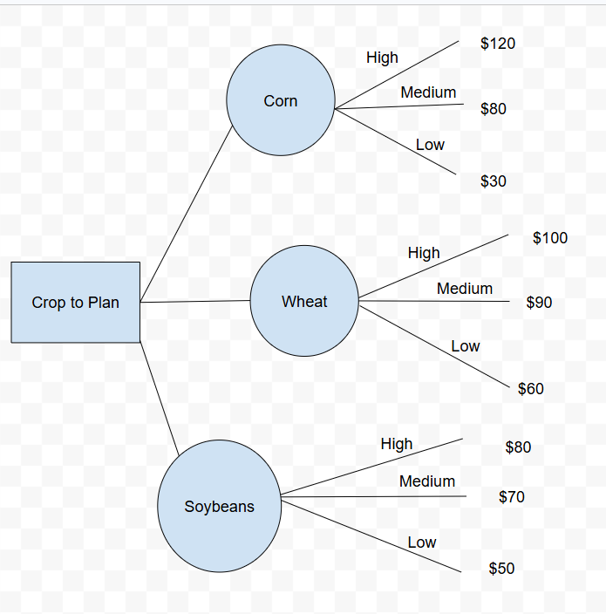

Maximax
Corn | 120
Wheat | 100
Soybeans | 80
We recommend producing the corn as it has the highest max payout

Maximin
Corn | 30
Wheat | 60
Soybeans | 50
We recommend producing the wheat as it has the max of the minimum values

Regret

 | Crop | High | Medium | Low
 | Corn | 0 | 10 | 30
 | Wheat | 20 | 0 | 0
 | Soybeans | 40 | 20 | 10

 | Max Regret
 | Corn | 30
 | Wheat | 20
 | Soybeans | 40
 | We recommend producing wheat as it had the smallest regret value

